PEX ALFA
Cennik obowiązuje od dnia 27.02.2023 |  |  |  |  |  |  | Strona internetowa: |  | www.unidelta.pl
 |  |  |  |  |  |  | Adres do zamówień: |  | beta@unidelta.pl

SYSTEM PEX RIFENG ZAPRAS U

2021//10 | D |  |  | ↓ Kurs Euro 4,30 obowiązuje w przedziale 4,30 - 4,39 dla NBP
Art. Nr. | Index | Rozmiar | Cena € netto | Cena zł netto | Rabat | Opak.
 |  |  |  | 4.30 | 0%

ZŁĄCZKI ZAPRASOWYWANE - SZCZĘKI "U" |  |  |  |  |  |  |  | Max. Temp. 120°C
 |  |  |  |  |  |  |  | Max. Press. 10 bar
RF4001 |  | Złaczka PEX - PEX |  |  |  |  | Zapras U
RF4001 | 704101 | 16 x 16 | 1.75 | 7.52 | 7.52 | 320/40/5
RF4001 | 704103 | 20 x 20 | 2.22 | 9.55 | 9.55 | 224/28/7
RF4001 | 704104 | 25 x 25 | 4.17 | 17.93 | 17.93 | 120/15/5
RF4001 | 704106 | 32 x 32 | 5.79 | 24.90 | 24.90 | 90/5

RF4002 |  | Złaczka PEX - PEX red.
RF4002 | 704112 | 20 x 16 | 1.97 | 8.47 | 8.47 | 280/35/5
RF4002 | 704115 | 25 x 20 | 3.12 | 13.42 | 13.42 | 120/15/5
RF4002 | 704118 | 32 x 25 | 5.59 | 24.04 | 24.04 | 80/10/5

RF4003 |  | Złaczka PEX - GZ
RF4003 | 704121 | 16 x 1/2" | 2.03 | 8.73 | 8.73 | 360/45/5
RF4003 | 704122 | 16 x 3/4" | 2.76 | 11.87 | 11.87 | 200/25/5
RF4003 | 704125 | 20 x 1/2" | 2.45 | 10.53 | 10.53 | 280/35/5
RF4003 | 704126 | 20 x 3/4" | 2.75 | 11.83 | 11.83 | 200/25/5
RF4003 | 704127 | 25 x 1/2" | 3.84 | 16.51 | 16.51 | 120/15/5
RF4003 | 704128 | 25 x 3/4" | 3.92 | 16.86 | 16.86 | 120/15/5
RF4003 | 704129 | 25 x 1" | 4.45 | 19.14 | 19.14 | 120/15/5
RF4003 | 704134 | 32 x 3/4" | 6.47 | 27.82 | 27.82 | 96/6
RF4003 | 704135 | 32 x 1" | 5.85 | 25.15 | 25.15 | 96/12/6
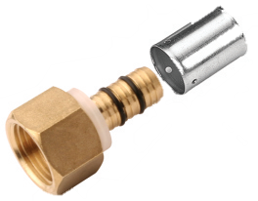
RF4004 |  | Złaczka PEX - GW
RF4004 | 704141 | 16 x 1/2" | 2.21 | 9.50 | 9.50 | 280/35/5
RF4004 | 704142 | 16 x 3/4" | 3.19 | 13.72 | 13.72 | 160/20/5
RF4004 | 704145 | 20 x 1/2" | 2.49 | 10.71 | 10.71 | 240/30/5
RF4004 | 704146 | 20 x 3/4" | 3.30 | 14.19 | 14.19 | 160/20/5
RF4004 | 704147 | 25 x 1/2" | 3.68 | 15.82 | 15.82 | 120/15/5
RF4004 | 704148 | 25 x 3/4" | 4.04 | 17.37 | 17.37 | 120/15/5
RF4004 | 704149 | 25 x 1" | 5.28 | 22.70 | 22.70 | 96/12/6
RF4004 | 704154 | 32 x 3/4" | 5.08 | 21.84 | 21.84 | 96/12/6
RF4004 | 704155 | 32 x 1" | 6.05 | 26.01 | 26.01 | 96/12/6

RF4014 |  | Złaczka PEX - GW śrubunek
RF4014 | 704161 | 16 x 1/2" | 2.76 | 11.87 | 11.87 | 320/40/5
RF4014 | 704165 | 20 x 1/2" | 2.86 | 12.30 | 12.30 | 240/30/5
RF4014 | 704166 | 20 x 3/4" | 3.85 | 16.55 | 16.55 | 160/20/5
RF4014 | 704167 | 25 x 3/4" | 4.62 | 19.87 | 19.87 | 120/15/5

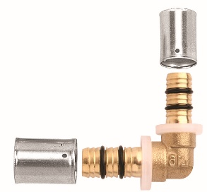
RF4006 |  | Kolano PEX - PEX
RF4006 | 704201 | 16 x 16 | 2.61 | 11.22 | 11.22 | 192/24/4
RF4006 | 704203 | 20 x 20 | 3.38 | 14.53 | 14.53 | 144/18/6
RF4006 | 704204 | 25 x 25 | 5.68 | 24.42 | 24.42 | 80/10/5
RF4006 | 704206 | 32 x 32 | 8.31 | 35.73 | 35.73 | 45/5
RF4016 | 704211 | 20 x 16 red. | 3.24 | 13.93 | 13.93 | 144/18/6

ZŁĄCZKI ZAPRASOWYWANE - SZCZĘKI "U" |  |  |  |  |  |  | Max. Temp. 120°C
Art. Nr. | Index | Rozmiar | Cena € netto | Cena zł netto | Rabat | Opak. |  | Max. Press. 10 bar
 |  |  |  |  |  |  | Zapras U
RF4008 |  | Kolano PEX - GZ
RF4008 | 704221 | 16 x 1/2" | 2.89 | 12.43 | 12.43 | 192/24/4
RF4008 | 704225 | 20 x 1/2" | 3.33 | 14.32 | 14.32 | 192/24/4
RF4008 | 704226 | 20 x 3/4" | 4.25 | 18.28 | 18.28 | 120/15/5
RF4008 | 704228 | 25 x 3/4" | 5.43 | 23.35 | 23.35 | 80/10/5
RF4008 | 704229 | 25 x 1" | 7.02 | 30.19 | 30.19 | 96/6
RF4008 | 704235 | 32 x 1" | 9.18 | 39.47 | 39.47 | 60/5

RF4009 |  | Kolano PEX - GW
RF4009 | 704241 | 16 x 1/2" | 2.87 | 12.34 | 12.34 | 200/25/5
RF4009 | 704245 | 20 x 1/2" | 3.36 | 14.45 | 14.45 | 160/20/5
RF4009 | 704246 | 20 x 3/4" | 4.32 | 18.58 | 18.58 | 120/15/5
RF4009 | 704247 | 25 x 1/2" | 5.22 | 22.45 | 22.45 | 80/10/5
RF4009 | 704248 | 25 x 3/4" | 5.40 | 23.22 | 23.22 | 80/10/5
RF4009 | 704249 | 25 x 1" | 6.85 | 29.46 | 29.46 | 72/4
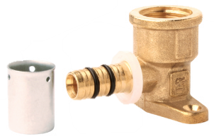
RF4009 | 704255 | 32 x 1" | 8.15 | 35.05 | 35.05 | 60/5

RF4034 |  | Kolano PEX - GW ścienne
RF4034 | 704261 | 16 x 1/2" | 4.06 | 17.46 | 17.46 | 112/14/7
RF4034 | 704265 | 20 x 1/2" | 4.67 | 20.08 | 20.08 | 96/12/6

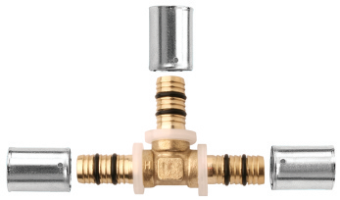
RF4005 |  | Trójnik PEX - PEX - PEX
RF4005 | 704301 | 16 x 16 x 16 | 3.49 | 15.01 | 15.01 | 120/15/5
RF4005 | 704303 | 20 x 20 x 20 | 4.59 | 19.74 | 19.74 | 120/15/5
RF4005 | 704304 | 25 x 25 x 25 | 7.96 | 34.23 | 34.23 | 64/4
RF4005 | 704306 | 32 x 32 x 32 | 11.95 | 51.39 | 51.39 | 30/5

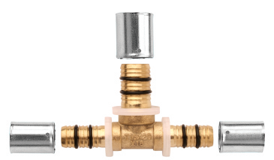
RF4013 |  | Trójnik PEX - PEX - PEX red.
RF4013 | 704311 | 16 x 20 x 16 | 3.85 | 16.55 | 16.55 | 120/15/5
RF4013 | 704312 | 20 x 16 x 16 | 3.83 | 16.47 | 16.47 | 120/15/5
RF4013 | 704313 | 20 x 16 x 20 | 4.06 | 17.46 | 17.46 | 120/15/5
RF4013 | 704314 | 20 x 20 x 16 | 4.15 | 17.84 | 17.84 | 120/15/5
RF4013 | 704315 | 20 x 25 x 20 | 6.11 | 26.27 | 26.27 | 96/4
RF4013 | 704317 | 25 x 16 x 25 | 6.04 | 25.97 | 25.97 | 70/5
RF4013 | 704318 | 25 x 20 x 25 | 6.74 | 28.98 | 28.98 | 70/5
RF4013 | 704319 | 25 x 20 x 20 | 5.98 | 25.71 | 25.71 | 70/5
RF4013 | 704320 | 25 x 25 x 20 | 7.75 | 33.32 | 33.32 | 70/5
RF4013 | 704325 | 32 x 16 x 32 | 9.34 | 40.16 | 40.16 | 48/4
RF4013 | 704326 | 32 x 20 x 32 | 8.91 | 38.31 | 38.31 | 48/4
RF4013 | 704327 | 32 x 25 x 32 | 11.95 | 51.39 | 51.39 | 36/4

RF4010 |  | Trójnik PEX - GZ - PEX
RF4010 | 704341 | 16 x 1/2" x 16 | 4.47 | 19.22 | 19.22 | 120/15/5
RF4010 | 704343 | 20 x 1/2" x 20 | 5.47 | 23.52 | 23.52 | 120/15/5

RF4007 |  | Trójnik PEX - GW - PEX
RF4007 | 704361 | 16 x 1/2" x 16 | 3.94 | 16.94 | 16.94 | 120/15/5
RF4007 | 704363 | 20 x 1/2" x 20 | 4.66 | 20.04 | 20.04 | 80/10/5
RF4007 | 704365 | 25 x 1/2" x 25 | 7.56 | 32.51 | 32.51 | 72/4
RF4007 | 704366 | 25 x 3/4" x 25 | 8.38 | 36.03 | 36.03 | 64/4

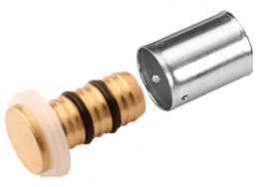
RF4012 |  | Zaślepka PEX
RF4012 | 704401 | 16 | 0.98 | 4.21 | 4.21 | 600/75/25
RF4012 | 704403 | 20 | 1.51 | 6.49 | 6.49 | 480/60/20
RF4012 | 704404 | 25 | 2.63 | 11.31 | 11.31 | 192/24/8
RF4012 | 704406 | 32 | 3.70 | 15.91 | 15.91 | 128/16/8

ALFA - Ryszard Kroszel, Wilcze, Krakowska 20, 86-031 Osielsko (Bydgoszcz) tel.: 52 362 00 92; 52 324 02 98, beta@unidelta.pl / www.unidelta.pl

